COVERPAGE
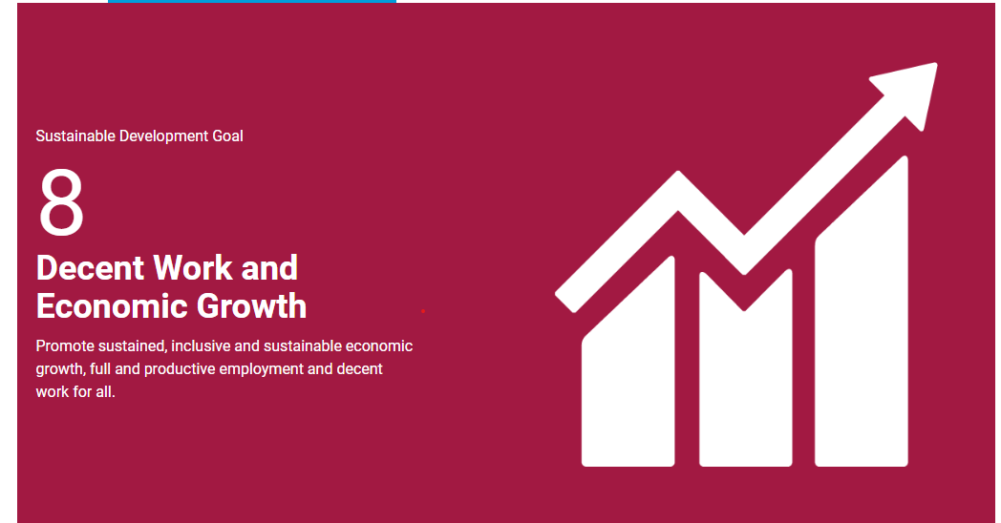

DASHBOARD
 | Employment Rate
 | Jun-24
DASHBOARD

Unemployment rate 2024
 | Unemployment Rate
 | Jun-24
Average Minimum wage
Youth Unemployment rate 2024
Employment rate 2024
 | Youth Unemployment Rate
 | Jun-24
8.4 million
32.9%
15993.07 ZAR/Month
60.8%

Unemployment Rate per Province
Unemployment Rate per Province
Working Population by gender
Working Population by race

 | Both sexes | Women | Men
Jan-Mar 2023 | 40604 | 20463 | 20140
Oct Dec 2023 | 41022 | 20664 | 20357
Jan Mar 2024 | 41158 | 20729 | 20429
Black/African | 33728
Coloured | 3601
Indian/Asian | 1051
White | 2778
 | Total
Eastern Cape | 1344
Free State | 742
Gauteng | 5061
KwaZulu-Natal | 2891
Limpopo | 1495
Mpumalanga | 1242
North West | 899
Northern Cape | 331
South Africa | 16745
Western Cape | 2740

Labourforce participation rate
Total Employment by Industry

Actual | 60.6
Previous | 60.7
Highest | 60.8
Lowest | 47.3
Dates | 0
 | Industry Name | Column2 | Column3 | Column4
 | Agriculture | 888 | 941 | 920
 | Community and social services | 3902 | 3791 | 3913
 | Construction | 1201 | 1215 | 1322
 | Finance | 2667 | 2914 | 2964
 | Manufacturing | 1654 | 1606 | 1507
 | Mining | 413 | 454 | 446
 | Private households | 1056 | 1178 | 1134
 | Trade | 3269 | 3471 | 3362
 | Transport | 992 | 1062 | 1023
 | Utilities | 135 | 105 | 123
 | Grand Total | 32369 | 33482 | 33437

